Pipeline Comparison
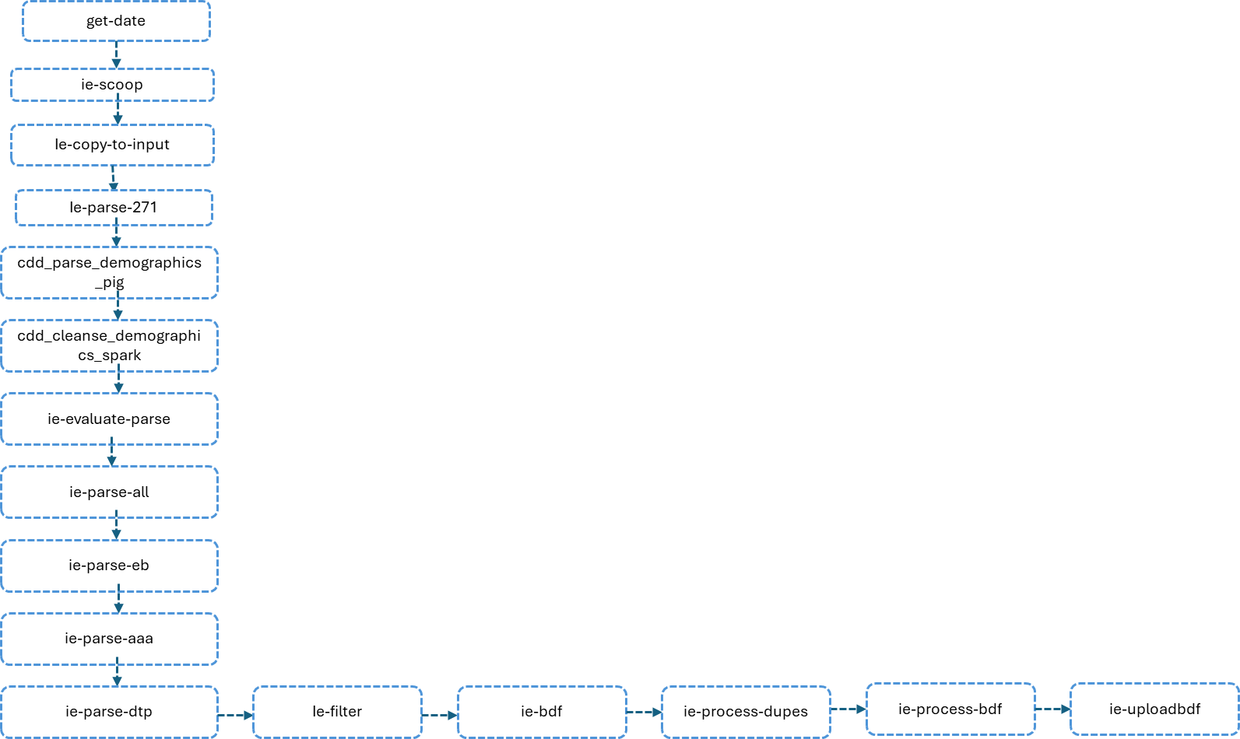
Stage | Databricks Flow Description | Hadoop Flow Description | Match Status | Finthrive Comments
Stage 1: Data Extraction | The pipeline starts by obtaining the business date (breadcrumb) using a Databricks notebook. This date is used for data partitioning. The system then performs sequential data extraction from the same three SQL Server databases using JDBC connections with incremental logic. Each database is processed in sequence, extracting only new records based on the maximum received date from previous runs. The extracted data contains XML messages with trace numbers and transaction information. | The workflow begins by obtaining the business date (breadcrumb) using a shell script. This date is used throughout the pipeline for partitioning data. Next, the system performs sequential data extraction from three SQL Server databases using Sqoop. Each database extraction is handled through a recursive sub-workflow that processes databases one after another. The extracted data contains XML messages with trace numbers and transaction information. | Similar
Stage 2: Data Consolidation | After extracting from all three databases, the pipeline combines all extracted files into a single input directory. Additionally, it applies filtering to exclude certain ClientIds (100515, 100000, 100523, 0) and UserId 2344720 during the consolidation process. | After extracting data from all three databases, the workflow combines all the extracted files into a single input directory. This consolidation step simply copies all the sqoop output files into a unified location for downstream processing. The filtering is done in the ingestion step. | Similar
Stage 3: Initial XML Parsing | The pipeline performs the same two parallel parsing operations. It extracts TraceNumber and subscriberId from 271 response segments, creating a lookup table. It also performs comprehensive demographic parsing, extracting all 39 demographic fields from 271 response segments including subscriber and dependent information. | The workflow performs two parallel parsing operations on the consolidated input data. First, it extracts TraceNumber and subscriberId information specifically from 271 response segments in the XML. This creates a lookup table mapping trace numbers to subscriber IDs. Second, it performs comprehensive demographic parsing, extracting all 39 demographic fields from the 271 response segments including subscriber and dependent information such as names, addresses, dates of birth, SSNs, and coverage details. | Similar
Stage 4: Data Cleansing and Validation | The parsed demographic data undergoes the same extensive cleansing. It trims whitespace, converts to uppercase, removes duplicates, and filters invalid trace numbers. However, the response code filtering is more restrictive - it excludes records where ResponseResultStd is in the list (0, 3, 4, 5, 7, 8, 10, 15, 16, 17, 312, 313, 314). It also filters for 271 response types and excludes VA Veteran records. The system replaces nulls with 'XX', validates states, DOBs, and cleans SSNs. | The parsed demographic data undergoes extensive cleansing and validation. The system trims whitespace, converts to uppercase, removes duplicate records, and filters out invalid trace numbers. It then applies business rules to filter out invalid response codes. Specifically, it excludes records where ResponseResultStd is '3' or '0'. It also filters to keep only 271 response types (ST01='271') and excludes VA Veteran records (ClientId='100515'). The system then replaces null values with 'XX' placeholder, validates state codes against a list of valid US states, validates dates of birth, and cleans SSNs by removing dashes. | Difference: More restrictive filtering in Databricks
Stage 5: Subscriber ID Enrichment | The pipeline performs the same merge operation, joining parsed271 with parsed270 on TraceNumber. It enriches subscriberId by preferring the parsed271 value if available (after trimming, uppercasing, and removing dashes), otherwise using the parsed270 value. | The workflow merges the initial subscriber ID extraction (parsed271) with the cleansed demographic data (parsed270). It performs a left join on TraceNumber and enriches the subscriberId field by preferring the subscriberId from the parsed271 lookup if it exists and is not empty, otherwise using the subscriberId from the parsed270 data. | Similar
Stage 6: Record Type Creation | The pipeline performs the same record type creation. It filters blocked client IDs, creates subscriber and dependent records, prefixes dependent TraceNumbers with 'D', extracts address numbers, and truncates ZIP codes to 5 digits. | The workflow creates separate record types for subscribers and dependents. It filters out records from blocked client IDs. For each record, it creates subscriber-only records and dependent-only records. For dependents, it creates records with 'D' prefix on the TraceNumber. The system also extracts address numbers from subscriber addresses using a utility function and truncates ZIP codes to 5 digits. | Similar
Stage 7: Segment Extraction | The pipeline performs the same three parallel segment extractions using identical regex patterns. It extracts EB segments, AAA segments, and DTP segments from the original input XML data. | The workflow performs three parallel segment extraction operations on the original input XML data. It extracts EB (Eligibility/Benefit) segments containing benefit information, AAA (Authorization) segments containing authorization details, and DTP (Date/Time Period) segments containing date information. Each extraction uses regex pattern matching to parse the XML structure. | Similar
Stage 8: Data Filtering | The pipeline performs the same filtering operations. It separates subscriber and dependent records, validates TraceNumber format (D)?[0-9]+, rejects invalid IDs, and filters multibyte characters from name and address fields. | The workflow filters the enriched parsed data to remove invalid records. It separates records into subscriber-only and dependent-only categories. It validates that TraceNumber IDs match the pattern (D)?[0-9]+ (optional 'D' prefix followed by digits). Records with invalid IDs are sent to rejection. The system also filters out records containing multibyte characters in name and address fields, sending those to a separate bad characters output. | Similar
Stage 9: BDF Data Preparation | The pipeline applies the same BDF preparation rules. It validates and formats dates of birth, validates SSNs (9 digits, excludes invalid patterns), validates ZIP codes (5 digits, >500), and cleans strings by removing non-ASCII characters. | The workflow prepares data for BDF (Batch Data File) processing by applying extensive data quality rules. It validates dates of birth, formatting valid dates with dashes (YYYY-MM-DD) and blanking invalid dates. It validates Social Security Numbers, ensuring they are 9 digits, removing dashes, and excluding invalid patterns like all zeros or sequential numbers. It validates ZIP codes, ensuring they are 5 digits, numeric, greater than 500, and not common invalid codes. Finally, it cleans all string fields by removing non-ASCII characters. | Similar
Stage 10: Deduplication | The pipeline performs the same deduplication logic. It groups by all demographic fields, keeps the minimum transaction key for each group, and creates a parquet mapping file tracking all associated transaction keys. | The workflow deduplicates records based on demographic information. It groups records by all demographic fields (first name, middle name, last name, gender, SSN, DOB, address, city, state, ZIP, etc.) and keeps only the record with the minimum transaction key (TraceNumber) for each unique demographic combination. It also creates a parquet mapping file that tracks all transaction keys associated with each unique demographic record. | Similar
Stage 11: BDF Formatting | The pipeline formats data into the same fixed-width 542-character format with identical field widths and padding rules. | The workflow formats the deduplicated data into fixed-width format required for BDF transmission. Each record is exactly 542 characters with specific field widths: ID (64 chars), First Name (50), Middle Name (50), Last Name (50), Gender (1), SSN (9), DOB (10), Address (75), Address2 (75), City (30), State (2), ZIP (5), ZIP4 (5), Phone (20), Custom1 (32), Custom2 (64). Fields are right-padded or left-padded as required. | Similar
Stage 12: File Packaging and Upload | The pipeline packages the formatted BDF files, merges them into files with maximum size of 15GB each, renames them with the pattern 'ie-{date}-{n}', converts them to ZIP format, and uploads to TransUnion via SFTP. The pipeline includes additional file management steps for optimal transmission. | The workflow packages the formatted BDF files and uploads them to TransUnion via SFTP using a shell script. The files are prepared in the required format for external transmission. | Similar - Enhanced in Databricks

 |  | Databricks Deactivated Components
Component Name | Column1 | Type | Function/Purpose (Inferred) | Status
Get metadata |  | ADF Activity | Typically used to fetch file/folder information (e.g., check for raw data existence). | DEACTIVATED
For Each (Delete zip file if exists) |  | ADF Activity | A loop used to manage clean-up of temporary zip files. | DEACTIVATED
convert text to zip |  | Notebook / Activity | Part of file preparation/compression for external transfer. | DEACTIVATED
convert zip to scp |  | Notebook / Activity | Part of file transfer process using Secure Copy Protocol (SCP). | DEACTIVATED
update_notification processed |  | ADF Variable Set | Setting a variable to track the status of the pipeline run for notifications. | DEACTIVATED
cdd_ie_sqoop_db1 |  | ADF Activity (Sqoop) | Extracts raw data from the first database partition. | DEACTIVATED
cdd_ie_sqoop_db2 |  | ADF Activity (Sqoop) | Extracts raw data from the second database partition. | DEACTIVATED
cdd_ie_sqoop_db3 |  | ADF Activity (Sqoop) | Extracts raw data from the third database partition. | DEACTIVATED

FLOW DIAGRAM
Hadoop |  |  |  | Databricks
Action |  | Details |  | Activity / Notebook Name
get-date |  | Extract batch control date from system |  | Extract Raw Data (ieprebdf_sqoop.py)
↓ |  |  |  | ↓
ie-sqoop |  | Sqoop insurance eligibility data from databases (ie_list_sqoop.xml) |  | Copy & Initial Filter (ie-copy-to-input.py)
↓ |  |  |  | ↓
ie-copy-to-input |  | combine_ie_all.pig: Copy data to input directory |  | Demographics Parsing (cdd-parse-demographics.py)
↓ |  |  |  | ↓
ie-parse-271 |  | ie_parse_271.pig: Extract TraceNumber, subscriberId from XML |  | 271 ID Parsing (Parse-271-final.py)
↓ |  |  |  | ↓
cdd_parse_demographics_pig |  | 01_cdd_parse_demographics.pig: Parse 50+ fields from 271 XML |  | Demographics Cleansing (cdd_cleanse_demographics.py)
 |  | Extract: St01, TraceNumber, PayerId, ClientId, ResponseResult, subscriber/dependent demographics |  | ↓
↓ |  |  |  | Evaluation & Merge (ie-evaluate-parsed.py)
cdd_cleanse_demographics_spark |  | 02_cdd_cleanse_demographics.py: Comprehensive validation |  | ↓
 |  | Filter: 271 responses, exclude VA (ClientId!=100515), validate demographics |  | Consolidation (ie-Parse-all.py)
 |  | Cleanse: SSN (remove dashes), State (validate 2-letter), Gender (M/F only), Coverage IDs |  | ↓
 |  | Null handling: Replace with XX/00000000/000000000 |  | BDF Filtering (ie-filter.py)
↓ |  |  |  | ↓
ie-evaluate-parse |  | ie_evaluate_parsed.pig: Validate parsed results |  | BDF Cleansing (ie-bdf.py)
↓ |  |  |  | ↓
ie-parse-all |  | ie_parse_all.pig: Consolidate all parsed data |  | Deduplication (ie-process-dupes.py)
↓ |  |  |  | ↓
ie-parse-eb |  | eb_segment.py: Extract eligibility benefit (EB) segments |  | Formatting (ie_process_bdf.py)
↓ |  |  |  | ↓
ie-parse-aaa |  | aaa_segment.py: Extract AAA segments |  | Packaging (ie-upload-bdf.py)
↓
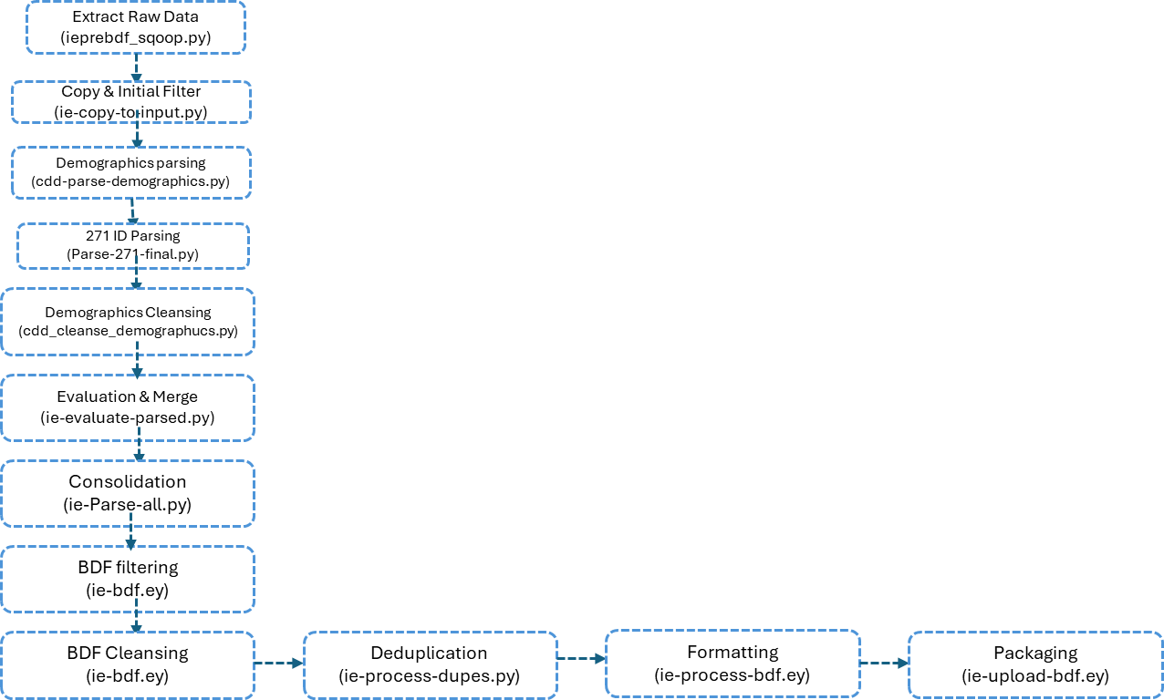
ie-parse-dtp |  | dtp_segment.py: Extract date/time period (DTP) segments
↓
ie-filter |  | filter.pig: Separate subscribers and dependents
 |  | Subscriber: Empty dependent fields → Custom1=00DS00ie00SUB00
 |  | Dependent Subscriber: Has dependent fields → Custom1=00DS00ie00DEPSUB00
 |  | Dependent: Separate record with D prefix → Custom1=00DS00ie00DEP00
 |  | Validate: Filter bad IDs (non-numeric), multibyte characters
 |  | Output: filtered/$bcdate, rejected/$bcdate, wBadChars/$bcdate
↓
ie-bdf |  | bdf_olb.pig: Convert to BDF format
 |  | Date: Validate and format DOB (YYYY-MM-DD), blank bad dates
 |  | SSN: Remove dashes, blank invalid (111111111, 222222222, etc.)
 |  | ZIP: Validate 5-digit, blank if 00000/00001/<=00500
 |  | String: Remove non-ASCII characters (getCleanString UDF)
 |  | Output: bdf_pipe/$bcdate (pipe-delimited, 16 fields)
↓
ie-process-dupes |  | process_ich_dupes.py: Deduplicate demographics
 |  | Convert blanks to NULL, group by all demographics
 |  | Keep min(transactionkey), create xref mapping
 |  | Output: bdf_parquet/$bcdate, bdf_deduped/$bcdate
↓
ie-process-bdf |  | process_ich_bdf.pig: Finalize BDF output
↓
ie-uploadbdf |  | put_bdf.sh: Upload to TransUnion
 |  | Merge HDFS files, split into 15GB chunks, zip, SFTP to TU

